SPaSIO DATA VISUALIZATIONS
SPaSIO Findings and Data visualizations

 | Figure 18.1. 3D scatter plot: trust, cooperation willingness and cooperation sustainability

 | Source: authors’ own analysis and presentation (SPSS 3D scatter plot output)

 | Figure 18.2. 2D scatter plot: Strategic goals convergence and cooperation willingness

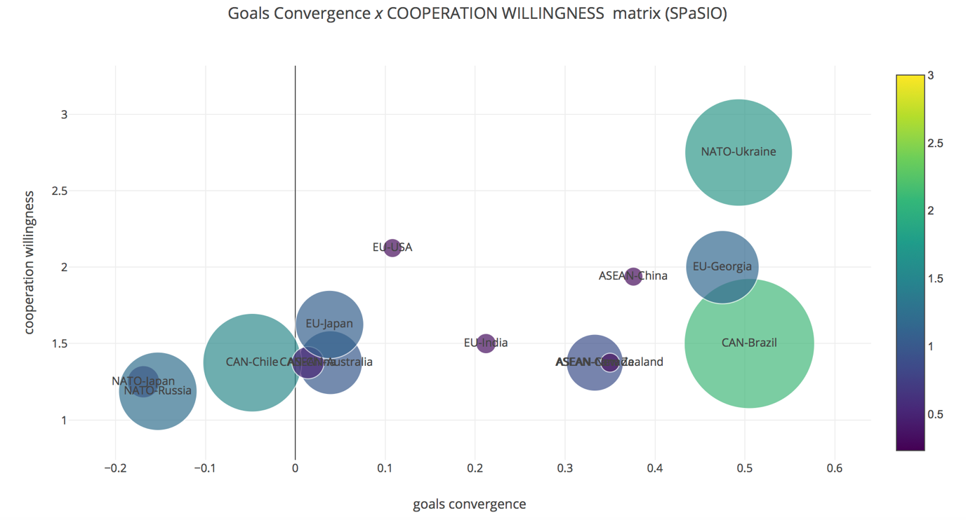

 | Source: authors’ own analysis and presentation (Plotly scatter plot outputs)

 | Figure 18.3. 2D scatter plot: Strategic roles convergence and cooperation willingness

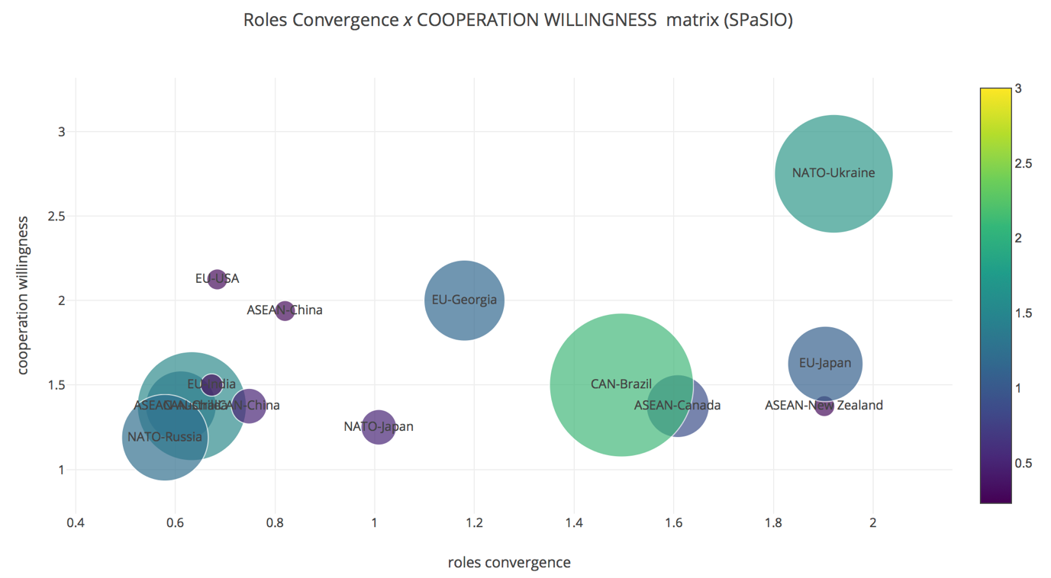

 | Source: authors’ own analysis and presentation (Plotly scatter plot outputs)

 | Figure 18.4. 2D scatter plot: Trust and cooperation sustainability

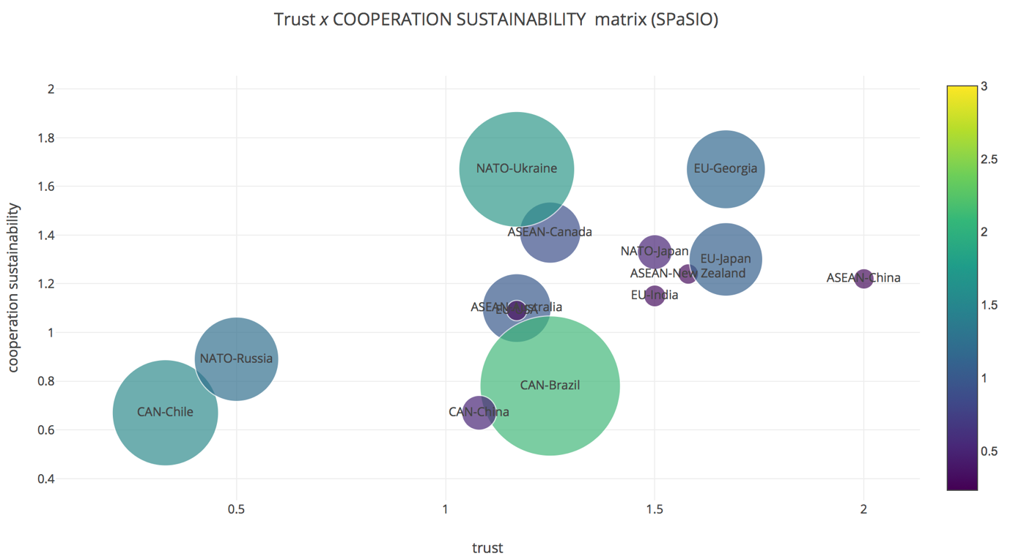

 | Source: authors’ own analysis and presentation (Plotly scatter plot outputs)

 | Figure 18.5. 2D scatter plot: Unique bonds and cooperation sustainability
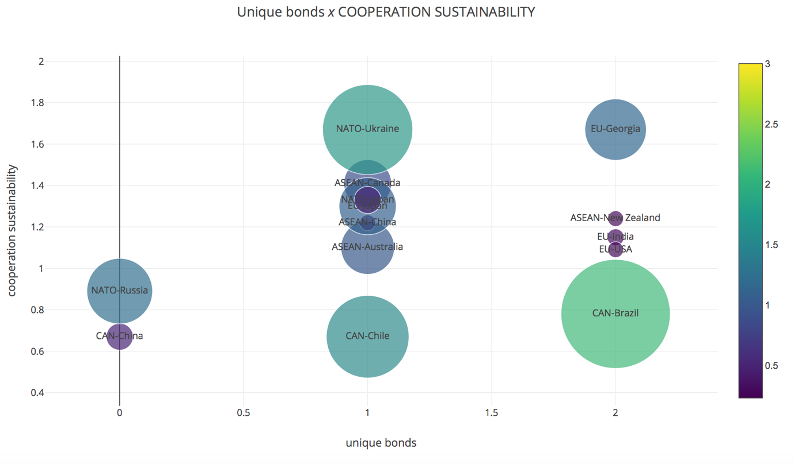

 | Source: authors’ own analysis and presentation (Plotly scatter plot outputs)

 | Figure 18.6. 2D scatter plot: Regularized bilateral strategic interactionism and cooperation sustainability
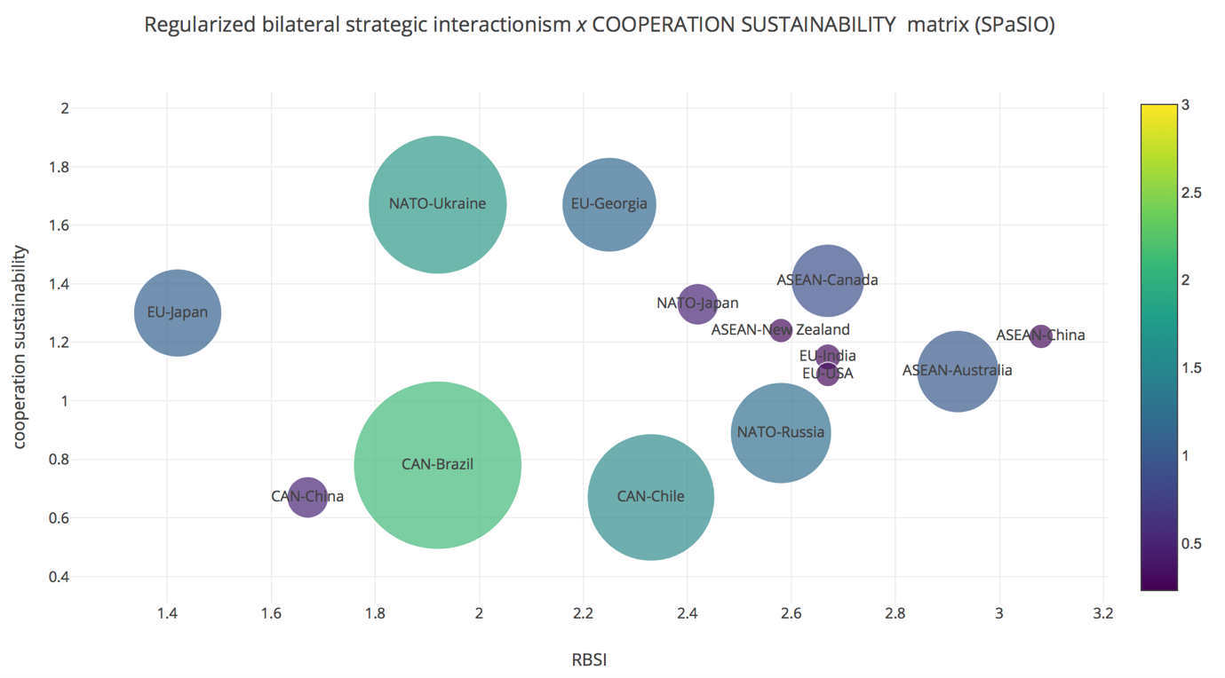

 | Source: authors’ own analysis and presentation (Plotly scatter plot outputs)

